Sheet1
 |  |  |  |  |  |  |  |  | 1.307 |  |  |  |  | Upper confidence |  |  |  | Lower confidence |  |  | Average |  |  |  | Upper confidence |  |  |  | Lower confidence
 |  |  | 100 | 673 |  | 6.73 | Plants for arid lands |  | 400 | 300 | 250 | 180 | 400 | 300 | 250 | 180 | 400 | 300 | 250 | 180 | 400 | 300 | 250 | 180 | 400 | 300 | 250 | 180 | 400 | 300 | 250 | 180
Spp | Time | n | Biomass | Calories | Min 2000 cal-1 | cal g-1 | cal min-1 | g min-1 | cal min-1 | cal min-1 | cal min-1 | cal min-1 | cal min-1 | cal min-1 | cal min-1 | cal min-1 | cal min-1 | cal min-1 | cal min-1 | cal min-1 | hrs 2000 cal-1 | hrs 2000 cal-1 | hrs 2000 cal-1 | hrs 2000 cal-1 | hrs 2000 cal-1 | hrs 2000 cal-1 | hrs 2000 cal-1 | hrs 2000 cal-1 | hrs 2000 cal-1 | hrs 2000 cal-1 | hrs 2000 cal-1 | hrs 2000 cal-1
Chasmanthe aethiopica | 21 | 24 | 480 | 1209 | 33 | 2.52 | 57.57 | 22.86 | 57.571428571 | 43.95799187 | 36.323964958 | 24.70974169 | 83.323135617 | 63.48689682 | 54.706533109 | 43.688310284 | 45.710146638 | 36.151017286 | 28.578749536 | 14.849747241 | 0.57899090157 | 0.75829972924 | 0.9176678089 | 1.3489956209 | 0.40004895503 | 0.52504272539 | 0.60931174832 | 0.7629806032 | 0.72923269307 | 0.92205796228 | 1.1663678039 | 2.2447071181
Chasmanthe aethiopica | 10 | 15 | 190 | 479 | 39 | 2.52 | 47.90 | 19.00 | 47.9 | 36.573485544 | 30.22189938 | 20.558750344 | 69.325675862 | 52.821728297 | 45.51637854 | 36.349107787 | 38.031295701 | 30.078005201 | 23.777803274 | 12.355137097 | 0.69589422408 | 0.91140707093 | 1.1029529585 | 1.6213696249 | 0.48082233485 | 0.63105343971 | 0.73233711474 | 0.91703305425 | 0.87647114616 | 1.1082295222 | 1.4018676557 | 2.6979331005
Chasmanthe aethiopica | 17 | 22 | 197 | 403 | 80 | 2.05 | 23.71 | 11.59 | 23.705882353 | 18.100349594 | 14.956926747 | 10.174599519 | 34.309526431 | 26.141663397 | 22.526219516 | 17.989304235 | 18.821825086 | 14.885713 | 11.767720397 | 6.1146018051 | 1.406120761 | 1.8415850567 | 2.2286218216 | 3.2761322222 | 0.97154746221 | 1.2751037617 | 1.4797571031 | 1.8529528935 | 1.7709936832 | 2.2392836227 | 2.8326075237 | 5.4514315725
Cyanella lutea | 20 | 27 | 78 | 154 | 224 | 1.97 | 7.70 | 3.90 | 7.7 | 5.8792450665 | 4.8582176457 | 3.3048513079 | 11.144210942 | 8.4911755301 | 7.3168291181 | 5.8431759908 | 6.113590332 | 4.8350864311 | 3.8223191066 | 1.9861076335 | 4.329004329 | 5.6696621685 | 6.8612268458 | 10.086182472 | 2.9910895895 | 3.9256441249 | 4.555707506 | 5.7046601687 | 5.4523334936 | 6.8940511837 | 8.720709183 | 16.78324617
Cyanella lutea | 11 | 18 | 24 | 44 | 446 | 1.83 | 4.00 | 2.18 | 4 | 3.0541532813 | 2.5237494263 | 1.7168058743 | 5.7892004895 | 4.4110002754 | 3.8009501912 | 3.0354160991 | 3.1758910815 | 2.511733211 | 1.9856203151 | 1.0317442252 | 8.3333333333 | 10.914099674 | 13.207861678 | 19.415901258 | 5.7578474599 | 7.5568649405 | 8.769736949 | 10.981470825 | 10.495741975 | 13.271048529 | 16.787365177 | 32.307748878
Cyanella lutea | 40 | 13 | 51 | 95 | 807 | 1.86 | 2.38 | 1.28 | 2.375 | 1.8134035108 | 1.4984762219 | 1.0193534878 | 3.4373377907 | 2.6190314135 | 2.256814176 | 1.8022783089 | 1.8856853297 | 1.491341594 | 1.1789620621 | 0.6125981337 | 14.035087719 | 18.381641557 | 22.244819668 | 32.700465276 | 9.6974273009 | 12.727351479 | 14.770083283 | 18.495108757 | 17.677039116 | 22.351239627 | 28.273457141 | 54.413050742
Cyanella lutea | 26 | 14 | 31 | 60 | 822 | 1.94 | 2.31 | 1.19 | 2.3076923077 | 1.7620115085 | 1.4560092844 | 0.99046492745 | 3.3399233593 | 2.5448078512 | 2.1928558795 | 1.7512015957 | 1.8322448547 | 1.4490768525 | 1.1455501818 | 0.59523705299 | 14.444444444 | 18.917772769 | 22.893626909 | 33.654228847 | 9.9802689305 | 13.098565897 | 15.200877378 | 19.034549429 | 18.192619424 | 23.003150783 | 29.09809964 | 56.000098055
Cyphia digitata | 40 | 8 | 295 | 166 | 530 | 0.56 | 4.15 | 7.38 | 4.15 | 3.1686840294 | 2.6183900298 | 1.7811860945 | 6.0062955079 | 4.5764127857 | 3.9434858234 | 3.1492442028 | 3.2949869971 | 2.6059232064 | 2.0600810769 | 1.0704346336 | 8.0321285141 | 10.519614144 | 12.730469087 | 18.714121694 | 5.5497324915 | 7.2837252438 | 8.4527585051 | 10.584550192 | 10.116377807 | 12.791372076 | 16.180592942 | 31.139998918
Cyphia digitata | 118 | 12 | 776 | 436 | 571 | 0.56 | 3.69 | 6.58 | 3.6949152542 | 2.821209387 | 2.3312600633 | 1.5858630533 | 5.3476512996 | 4.074568051 | 3.5110472105 | 2.8039013119 | 2.9336621007 | 2.3201603389 | 1.8341746979 | 0.95305186902 | 9.0214067278 | 11.815263868 | 14.298419064 | 21.019049068 | 6.2332660575 | 8.1808262659 | 9.4938436696 | 11.888197774 | 11.362362872 | 14.366823178 | 18.173477898 | 34.975361171
Cyphia digitata | 85 | 15 | 797 | 266 | 752 | 0.33 | 3.13 | 9.38 | 3.1294117647 | 2.3894258024 | 1.9744627865 | 1.3431481252 | 4.52919803 | 3.450959039 | 2.9736845614 | 2.3747667128 | 2.4846677285 | 1.965061865 | 1.5534558936 | 0.80718812911 | 10.651629073 | 13.950352967 | 16.882229213 | 24.817317397 | 7.359654648 | 9.6591506758 | 11.209438206 | 14.036466468 | 13.415610044 | 16.96299436 | 21.457534437 | 41.295618866
Cyphia digitata | 75 | 8 | 500 | 170 | 931 | 0.34 | 2.27 | 6.67 | 2.2666666667 | 1.7306868594 | 1.4301246749 | 0.97285666208 | 3.2805469441 | 2.4995668227 | 2.153871775 | 1.7200691228 | 1.7996716129 | 1.4233154862 | 1.1251848452 | 0.58465506094 | 14.705882353 | 19.260175896 | 23.307991197 | 34.263355161 | 10.160907282 | 13.335644013 | 15.476006381 | 19.379066161 | 18.521897603 | 23.419497403 | 29.624762077 | 57.01367449
Cyphia digitata | 120 | 11 | 834 | 345 | 1034 | 0.41 | 2.88 | 6.95 | 2.875 | 2.1951726709 | 1.8139449002 | 1.2339542221 | 4.1609878518 | 3.1704064479 | 2.7319329499 | 2.1817053212 | 2.2826717149 | 1.8053082454 | 1.4271646015 | 0.74156616185 | 11.594202899 | 15.18483433 | 18.376155378 | 27.013427837 | 8.0109182051 | 10.513899048 | 12.201373146 | 15.278568104 | 14.602771444 | 18.464067518 | 23.35633416 | 44.949911482
Cyphia digitata | 86 | 8 | 524 | 178 | 1071 | 0.34 | 2.07 | 6.09 | 2.0697674419 | 1.580346756 | 1.3058935985 | 0.88834722563 | 2.9955746719 | 2.282436189 | 1.9667707385 | 1.5706513536 | 1.6433389899 | 1.2996759057 | 1.02744307 | 0.5338676514 | 16.104868914 | 21.092417348 | 25.525305715 | 37.522865352 | 11.127525428 | 14.604278312 | 16.948255677 | 21.222617774 | 20.28390584 | 25.647419628 | 32.442997871 | 62.43744727
Cyphia digitata | 121 | 8 | 524 | 178 | 1548 | 0.34 | 1.47 | 4.33 | 1.4710743802 | 1.1232216613 | 0.92815578076 | 0.63138728433 | 2.1290861304 | 1.622227374 | 1.3978701116 | 1.1163307141 | 1.1679930011 | 0.92373659411 | 0.73024879358 | 0.37944312414 | 22.65917603 | 29.676540688 | 35.913511529 | 52.793798926 | 15.656169498 | 20.547879951 | 23.845801592 | 29.859729658 | 28.538983798 | 36.085322965 | 45.646543516 | 87.848036275
Ferraria crispa | 21 | 12 | 760 | 1686 | 29 | 2.22 | 80.29 | 36.19 | 80.285714286 | 61.301219432 | 50.655256343 | 34.458746476 | 116.19752411 | 88.535076955 | 76.290500267 | 60.925137418 | 63.744670994 | 50.414073734 | 39.854236325 | 20.70858052 | 0.41518386714 | 0.5437629731 | 0.65804293058 | 0.96734027619 | 0.28686784498 | 0.37649860913 | 0.43692639604 | 0.54711954287 | 0.52291952902 | 0.66119102989 | 0.83638118321 | 1.6096387341
Ferraria crispa | 16 | 11 | 310 | 688 | 45 | 2.22 | 43.00 | 19.38 | 43 | 32.832147774 | 27.130306333 | 18.455663148 | 62.233905262 | 47.41825296 | 40.860214556 | 32.630723066 | 34.140829127 | 27.001132018 | 21.345418388 | 11.091250421 | 0.77519379845 | 1.015265086 | 1.2286382956 | 1.8061303496 | 0.5356137172 | 0.70296418051 | 0.81578948363 | 1.0215321697 | 0.97634809072 | 1.2345161422 | 1.5616153653 | 3.0053719886
Ferraria crispa | 7 | 12 | 206 | 266 | 47 | 1.29 | 38.00 | 29.43 | 38 | 29.014456173 | 23.97561955 | 16.309655805 | 54.99740465 | 41.904502616 | 36.109026817 | 28.836452942 | 30.170965275 | 23.861465504 | 18.863392994 | 9.8015701392 | 0.87719298246 | 1.1488525973 | 1.3903012293 | 2.0437790798 | 0.6060892063 | 0.79545946742 | 0.92313020516 | 1.1559442973 | 1.1048149448 | 1.3969524767 | 1.7670910713 | 3.4008156714
Ferraria crispa | 12 | 9 | 112 | 246 | 80 | 2.20 | 20.50 | 9.33 | 20.5 | 15.652535567 | 12.93421581 | 8.7986301056 | 29.669652509 | 22.606376411 | 19.47986973 | 15.556507508 | 16.276441793 | 12.872632706 | 10.176304115 | 5.287689154 | 1.6260162602 | 2.1295804243 | 2.5771437421 | 3.7884685381 | 1.1234824312 | 1.4745102323 | 1.7111681852 | 2.1427260146 | 2.0479496537 | 2.5894728836 | 3.2755834492 | 6.3039510006
Ferraria crispa | 26 | 19 | 156 | 341 | 217 | 2.19 | 13.12 | 6.00 | 13.115384615 | 10.01409874 | 8.2749860998 | 5.6291423377 | 18.981897759 | 14.462991287 | 12.462730915 | 9.9526624019 | 10.413258258 | 8.2355867782 | 6.5105435333 | 3.3829305845 | 2.541544477 | 3.3286403699 | 4.0282041482 | 5.921565193 | 1.7560590493 | 2.3047330024 | 2.6746411809 | 3.3491875829 | 3.2010474059 | 4.0474752111 | 5.11990023 | 9.8533896871
Pelargonium lobatum | 20 | 14 | 874 | 986 | 38 | 1.13 | 49.30 | 43.70 | 49.3 | 37.642439192 | 31.10521168 | 21.1596324 | 71.351896033 | 54.365578394 | 46.846711107 | 37.411503422 | 39.14285758 | 30.957111825 | 24.472770384 | 12.716247575 | 0.67613252197 | 0.88552532855 | 1.0716317792 | 1.5753266741 | 0.4671681509 | 0.61313305805 | 0.71154052325 | 0.89099154764 | 0.85158149901 | 1.0767585013 | 1.3620580265 | 2.6213183674
Pelargonium lobatum | 15 | 16 | 424 | 350 | 81 | 0.83 | 23.33 | 28.27 | 23.333333333 | 17.815894141 | 14.721871654 | 10.014700933 | 33.770336189 | 25.73083494 | 22.172209449 | 17.706593912 | 18.526031309 | 14.651777064 | 11.582785172 | 6.0185079802 | 1.4285714286 | 1.8709885156 | 2.2642048591 | 3.3284402156 | 0.98705956455 | 1.2954625612 | 1.503383477 | 1.8825378557 | 1.7992700529 | 2.2750368906 | 2.8778340304 | 5.5384712362
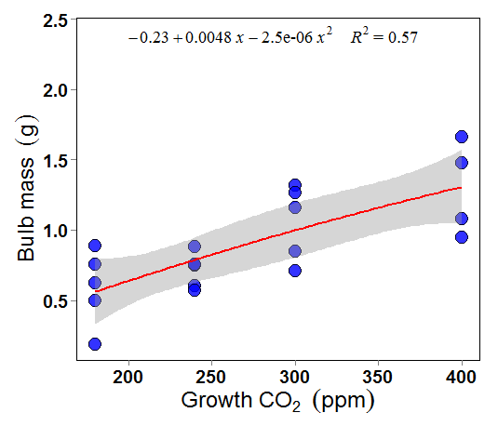
Pelargonium lobatum | 26 | 16 | 528 | 596 | 89 | 1.13 | 22.92 | 20.31 | 22.923076923 | 17.502647651 | 14.463025559 | 9.8386182794 | 33.176572036 | 25.278424655 | 21.782368404 | 17.395269183 | 18.20029889 | 14.394163401 | 11.379131806 | 5.9126880597 | 1.4541387025 | 1.9044737687 | 2.3047275411 | 3.3880096155 | 1.0047250601 | 1.3186475735 | 1.530289669 | 1.9162298083 | 1.8314717541 | 2.3157534345 | 2.92933889 | 5.6375937639
Pelargonium lobatum | 19 | 11 | 190 | 157 | 224 | 0.83 | 8.26 | 10.00 | 8.2631578947 | 6.3092376996 | 5.2135349992 | 3.5465595034 | 11.959269432 | 9.1121979372 | 7.851962895 | 6.2705306258 | 6.5607223658 | 5.1887120279 | 4.1018735457 | 2.1313663599 | 4.033970276 | 5.2832584411 | 6.3936145703 | 9.3987802267 | 2.7872382608 | 3.658100226 | 4.2452229817 | 5.3158712272 | 5.0807413383 | 6.4242018355 | 8.1263678565 | 15.639419839
Watsonia meriana | 25 | 24 | 557 | 962 | 48 | 1.73 | 38.48 | 22.28 | 38.48 | 29.380954566 | 24.278469481 | 16.51567251 | 55.692108709 | 42.433822649 | 36.56514084 | 29.200702874 | 30.552072204 | 24.162873489 | 19.101667432 | 9.9253794462 | 0.86625086625 | 1.1345217957 | 1.3729585944 | 2.018284954 | 0.59852884198 | 0.7855368961 | 0.91161506747 | 1.1415250338 | 1.0910334694 | 1.3795268741 | 1.7450483552 | 3.3583938543
Watsonia meriana | 27 | 20 | 362 | 625 | 83 | 1.73 | 23.15 | 13.41 | 23.148148148 | 17.674498156 | 14.605031402 | 9.9352191797 | 33.502317648 | 25.526621964 | 21.996239533 | 17.566065388 | 18.378999314 | 14.535493119 | 11.490858305 | 5.9707420439 | 1.44 | 1.8859564237 | 2.282318498 | 3.3550677373 | 0.99495604107 | 1.3058262617 | 1.5154105448 | 1.8975981585 | 1.8136642133 | 2.2932371857 | 2.9008567026 | 5.5827790061
Watsonia meriana | 32 | 19 | 280 | 483 | 93 | 1.73 | 15.09 | 8.75 | 15.09375 | 11.524656522 | 9.523210726 | 6.4782596661 | 21.845186222 | 16.644633852 | 14.342647987 | 11.453952937 | 11.984026503 | 9.4778682882 | 7.4926141579 | 3.8932223497 | 2.2084195997 | 2.8923493961 | 3.500220072 | 5.1454148261 | 1.5258891819 | 2.0026474376 | 2.3240710755 | 2.9102034484 | 2.781480275 | 3.5169652415 | 4.4488255542 | 8.5618879014
 |  |  |  |  |  | 1.41 | 20.79 | 13.71 | 20.79 | 15.88 | 13.12 | 8.93 | 30.10 | 22.93 | 19.76 | 15.78 | 16.51 | 13.06 | 10.32 | 5.36 | 5.96 | 7.80 | 9.44 | 13.88 | 4.12 | 5.40 | 6.27 | 7.85 | 7.51 | 9.49 | 12.00 | 23.10
 |  |  |  |  |  | 0.03 | 0.81 | 0.43 | 0.81 | 0.62 | 0.51 | 0.35 | 1.18 | 0.90 | 0.77 | 0.62 | 0.65 | 0.51 | 0.40 | 0.21 | 0.24 | 0.32 | 0.38 | 0.57 | 0.17 | 0.22 | 0.26 | 0.32 | 0.31 | 0.39 | 0.49 | 0.94

 |  |  |  |  |  |  |  |  | lm(formula = upr ~ poly(x, 2, raw = TRUE), data = df2)

 |  |  |  |  |  |  |  |  | Coefficients:
 |  |  |  |  |  |  |  |  | (Intercept) poly(x, 2, raw = TRUE)1 poly(x, 2, raw = TRUE)2
 |  |  |  |  |  |  |  |  | 3.853e-01 1.601e-03 3.445e-06

 |  |  |  |  |  |  |  |  | lm(formula = lwr ~ poly(x, 2, raw = TRUE), data = df2)

 |  |  |  |  |  |  |  |  | Coefficients:
 |  |  |  |  |  |  |  |  | (Intercept) poly(x, 2, raw = TRUE)1 poly(x, 2, raw = TRUE)2
 |  |  |  |  |  |  |  |  | -8.450e-01 8.089e-03 -8.456e-06

 |  |  |  |  |  |  |  |  |  |  | 0.3853 |  |  | 0.001601 |  | 0.000003445

Sheet2
 | Average |  |  |  | 400 | 300 | 250 | 180 | 27
 | 400 | 300 | 250 | 180 | Two hours
0.5 | hrs 2000 cal-1 | hrs 2000 cal-1 | hrs 2000 cal-1 | hrs 2000 cal-1 | 13 | 12 | 8 | 6
1 | 0.57899090157 | 0.75829972924 | 0.9176678089 | 1.3489956209 | 46% | 43% | 29% | 21%
1.5 | 0.69589422408 | 0.91140707093 | 1.1029529585 | 1.6213696249
2 | 1.406120761 | 1.8415850567 | 2.2286218216 | 3.2761322222 | One Hour
 | 4.329004329 | 5.6696621685 | 6.8612268458 | 10.086182472 | 8 | 5 | 3 | 2
 | 8.3333333333 | 10.914099674 | 13.207861678 | 19.415901258 | 29% | 18% | 11% | 7%
 | 14.035087719 | 18.381641557 | 22.244819668 | 32.700465276
. | 14.444444444 | 18.917772769 | 22.893626909 | 33.654228847
 | 8.0321285141 | 10.519614144 | 12.730469087 | 18.714121694 | co2 | pro | perc
 | 9.0214067278 | 11.815263868 | 14.298419064 | 21.019049068 | 400 | 0.464 | 46.428571429
 | 10.651629073 | 13.950352967 | 16.882229213 | 24.817317397 | 300 | 0.429 | 42.857142857
 | 14.705882353 | 19.260175896 | 23.307991197 | 34.263355161 | 250 | 0.286 | 28.571428571
 | 11.594202899 | 15.18483433 | 18.376155378 | 27.013427837 | 180 | 0.214 | 21.428571429
 | 16.104868914 | 21.092417348 | 25.525305715 | 37.522865352 | 400 | 0.286 | 28.571428571
 | 22.65917603 | 29.676540688 | 35.913511529 | 52.793798926 | 300 | 0.179 | 17.857142857
 | 0.41518386714 | 0.5437629731 | 0.65804293058 | 0.96734027619 | 250 | 0.107 | 10.714285714
 | 0.77519379845 | 1.015265086 | 1.2286382956 | 1.8061303496 | 180 | 0.071 | 7.1428571429
 | 0.87719298246 | 1.1488525973 | 1.3903012293 | 2.0437790798
 | 1.6260162602 | 2.1295804243 | 2.5771437421 | 3.7884685381
 | 2.541544477 | 3.3286403699 | 4.0282041482 | 5.921565193
 | 0.67613252197 | 0.88552532855 | 1.0716317792 | 1.5753266741
 | 1.4285714286 | 1.8709885156 | 2.2642048591 | 3.3284402156
 | 1.4541387025 | 1.9044737687 | 2.3047275411 | 3.3880096155
 | 4.033970276 | 5.2832584411 | 6.3936145703 | 9.3987802267
 | 0.86625086625 | 1.1345217957 | 1.3729585944 | 2.018284954
 | 1.44 | 1.8859564237 | 2.282318498 | 3.3550677373
 | 2.2084195997 | 2.8923493961 | 3.500220072 | 5.1454148261
 | 5.9590301924 | 7.804493938 | 9.4447255821 | 13.883993017
 | 0.24269569773 | 0.31785660427 | 0.38465894466 | 0.56545868434

Sheet3
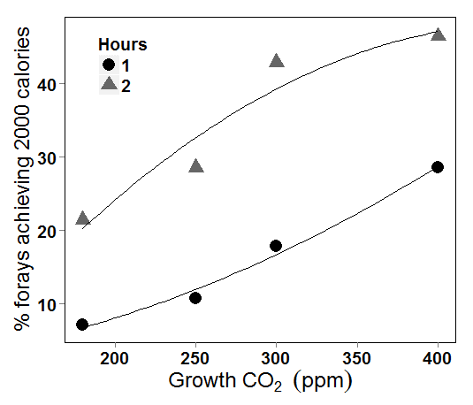
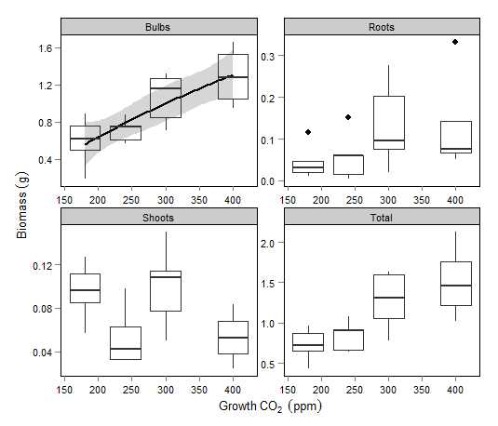
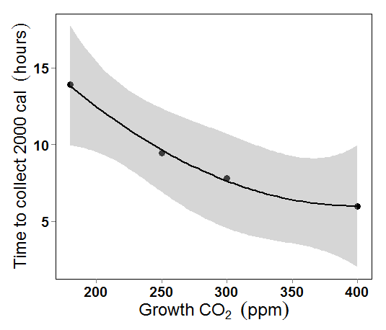

-3 x 10⁻⁶x²+0.0048x-0.2298
R²= 0.57

